Sheet1
NotReady
ID | 1 | Page | NA | Type of Discrepancy |  | Clarification | Owner | Leon | Date | 20191226 | Bug | No Need
Issue Description |  |  | If we apply 3.3V to the V33 pin on the demo board, the i2c communication will fail. |  |  |  |  |  |  |  | Clarification | Not yet
 |  |  |  |  |  |  |  |  |  |  |  | Yes

History |  |  | Jianping said it's a design change. Woodpecker8 doesn't have this issue but SP8G2 does. But recently we found that all OZ2608 and OZ8978 need to apply 5V instead of 3.3V. All OZ8978 and OZ2608 has this change now.

Conclusion |  |  | We need to apply 5.0V to the V33 pin on demo board when we use OZ8978 and OZ2608.

Solution Sync |  |  |  | Status | Unit Name
 |  |  | HW | Yes | HW power configuration
 |  |  | SW | No Need
 |  |  | FW | No Need

ID | 2 | Page | 23 | Type of Discrepancy |  | Clarification | Owner | Leon | Date | 20190628
Issue Description |  |  | The programming voltage is not in the range as spec described.

History |  |  | Yingguo suggest we use 7.35V.

Conclusion |  |  | Actually we can use 7.1~7.6V. In COBRA, we use 7.1~7.6 as the legal range.

Solution Sync |  |  |  | Status | Unit Name
 |  |  | HW | Yes | HW power configuration
 |  |  | SW | Yes | SP8G2_A0_X_03_20190627.oce
 |  |  | FW

ID | 3 | Page | NA | Type of Discrepancy |  | Clarification | Owner | Leon | Date | 20190628
Issue Description |  |  | In SP8G2 EFUSE downloading, we need to set some default value of parameters which don't open to customer.

History |  |  | 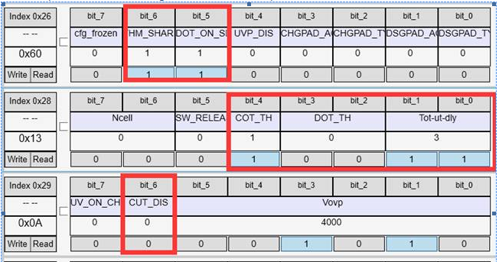

Conclusion |  |  | Download bank1: reg0x16 |= 0x60; reg0x18 |= 0x13; Download bank2: reg0x1C |= 0x13;

Solution Sync |  |  |  | Status | Unit Name
 |  |  | HW | No Need
 |  |  | SW | Yes | SP8G2_A0_X_03_20190627.oce
 |  |  | FW

ID | 4 | Page | 27 | Type of Discrepancy |  | Clarification | Owner | Leon | Date | 20190628
Issue Description |  |  | Original description: cfg_frozen: ‘0’: not frozen; ‘1’: just frozen this configuration parameter. It's not very clear.

History |  |  | Tested this bit's function. It's protect the whole register.

Conclusion |  |  | cfg_frozen: ‘0’: Reg 0x16 is writable; ‘1’: Reg 0x16 is unwritable even if other criteria is met.

Solution Sync |  |  |  | Status | Unit Name
 |  |  | HW | No Need
 |  |  | SW | No Need
 |  |  | FW

ID | 5 | Page | 30&31 | Type of Discrepancy |  | Clarification | Owner | Leon | Date | 20190628
Issue Description |  |  | The read and write accessabilities are not fully described. For example, it haven't mentioned when can we read mapping registers.

History |  |  | Tested and figured it out.

Conclusion |  |  | 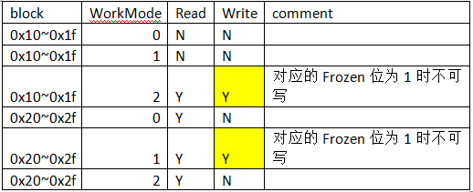

Solution Sync |  |  |  | Status | Unit Name
 |  |  | HW | No Need
 |  |  | SW | Yes | SP8G2_A0_X_03_20190627.oce
 |  |  | FW

ID | 6 | Page | NA | Type of Discrepancy |  | Clarification | Owner | Leon | Date | 20190731
Issue Description |  |  | Cannot read EFUSE data.

History |  |  | Checked with AE and design. It's an analog design change(issue?).

Conclusion |  |  | We need to apply 7.35V to Tref pin during the EFUSE read process.

Solution Sync |  |  |  | Status | Unit Name
 |  |  | HW | No Need
 |  |  | SW | Yes | SP8G2_A0_X_03_20190731.oce
 |  |  | FW

ID | 7 | Page | 28 | Type of Discrepancy |  | Clarification | Owner | Leon | Date | 20190628
Issue Description |  |  | ovp_th_bank1[5:0]: OV protection threshold for each cell, the code range 001010~111100 corresponds to 4.0V~4.5V for Li-ion Cobalt type, or 3.5V~4.0V for Li_ion Phosphate type with 10mV/step. If the code is smaller than 001010, will be forced to 001010; if the code is bigger than 111100, will be forced to 111100. It's very likely to consider "be forced to" as "change the register value to". But actually it's not.

History |  |  | Confirmed with Dr. Zeng, he clarified it in the mail: Please read the following in the spec, the output to analog is the final ov_th[5:0], you can read back reg.0x32 for check, or test the function directly, thanks! In digital side, will do following pre-processing: ......(VHDL codes) ......(VHDL codes) so the final ov_th[5:0] = (ovp_state)? ov_th_state1[5:0] : ov_th_state0[5:0] ;

Conclusion |  |  | Write value out of the range to this register, the value won't be changed. But it will be treated like 0x0a or 0x3c internally.

Solution Sync |  |  |  | Status | Unit Name
 |  |  | HW | No Need
 |  |  | SW | Yes | SP8G2_A0_X_03_20190627.oce
 |  |  | FW

ID | 8 | Page | NA | Type of Discrepancy |  | Bug | Owner | Leon | Date | 20190731
Issue Description |  |  | Download EFUSE using GP852 adaptor's programming voltage, user_frozen bit won't set.

History |  |  | Found this bug, but cannot findout the root cause. Just use a workaround.

Conclusion |  |  | Add a Read command after each Write command during EFUSE downloading.

Solution Sync |  |  |  | Status | Unit Name
 |  |  | HW | No Need
 |  |  | SW | Yes | SP8G2_A0_X_03_20190731.oce
 |  |  | FW

